Main
UX NeXus
Design Website/App: | Amazon Prime Video
Topic: | Filters media for deaf, blind, language viewers
Implementation: | Figma board with frames for each app/website/tv version. An implemented HTML page with GitHub as host
Categories: | Audio (audio description (for blind), dubbed (for language), dialogue boost (for hard of hearing)), visual (subtitles (for language), closed captioning (for deaf viewers & hard of hearing))

Timeline |  |  | meeting dates
2024-12-18 | Office hours & team sync | During this meeting, we will explain nuances of the project as well as catch up on new ideas. Leave the meeting with resources and spend next two days learning Figma.
12/18-12/20 | Learn Figma
2024-12-21 | LONG Team meeting to blueprint and delegate Figma responsibilities | During this meeting, we will design the pages and what HTML implementation will look like. Then, we will leave with delegated responsibilities (two people teams with two implementations)
12/21 -- 12/23 | Settings Flow Implenentation
2024-12-23 | Meeting to check in and plan next flow
12/23 -- 12/26 | Design
2025-12-26 | Check in
12/23 -- 12/26 | Design
2025-12-26 | Check in
12/26 -- 12/30 | Design
2025-12-30 | Check in
12/30 -- 1/3 | Design, create flows, and conduct research
2025-01-03 | Check in and plan slideshow

1/11 -- 1/15 | Design slideshow & finalize everything

Responsibilities (Link to Figma Board )
 | finding person due(Jan 4): |  |  | Checkpoint 2 Dec 26
Suzuna | DIfferent languages viewers (subtitle) |  |  | Website/Desktop: drop down
Tanya | DIfferent languages viewers (dubbed) |  |  | TV: Tab feature
Ning | Deaf viewers |  |  | ios: setting page animation

Resources
App builder (Anvil)
Figma Tutorials: | Figma Beginner Articles + Video, Styling Guide
 | YT Video UX Design Process + Tools Overview (1h22m), straightforward and simple (1h13m), small intro + tutorial (31m)
Amazon Developer Kit | Colors, Typography(how to add Ember font to your Figma) | Alexa Blue (#05a0d1), Squid Ink (#232f3e), Dim Gray: (A1A1A2), Lighter Squid Ink (37475a)
TV Canva | Link
Nonlinear Presentation | Link

Flows
TV | Dropdown (based off settings): home page --> switch at the top right --> if selected (filters all media but keeps the categories name/title) OR --> keeps movies as usual page with no filter from previous preferences
 | Search: home page --> search --> user enters information --> they can hold a button on the remote to pop up and apply filters
 | Tabs: home page --> movie/tv tab --> user can hold a button on the remote to manually enter in their preferences

Tablet/phone
search

 | Search: home page --> search --> user enters information --> they can hold a button on the remote to pop up and apply filters
 | float: home page --> popup --> user select on the pop to manually enter in their preferences

Desktop/Website
Settings: | Subtitles/Closed Captioning: Profile --> Account & Settings --> Subtitles
 | Audio Description: Profile --> Account & Settings --> (new feature) Accessability Features
 | Dub: Profile --> Account & Settings --> (new feature) Dub
Option 2: | For all features: Profile --> Account & Settings --> (new feature) Prime Video Presets (this will have subtitles/closed captioning, audio description, dub, dialogue boost)
Toggle: | Home page (top right like TV)
Search: | Already has features for Subtitles & Closed Captioning, Language (not sure what the difference is), Language Spoken (dub)
Tabs:

Ideas
switch for user to use to automatically filter based on preferences from user's account
language filter for live tv

Slides: |  |  |  | double check
1 | Title | Prototype: https://youtu.be/glRtCGnhQeM Ben: https://youtu.be/vlla8Q3hguc Alex: https://youtu.be/vayXsNN4jnk Jane: https://youtu.be/H9Yphs7MMS4 Zoe: https://youtu.be/vILiwD6npO0 | done
2 | Intro & Problems |  | done
3 | Target User |  | done
4 | Research ( how) |  | done
5 | BREAKDOWN
6 | 1. Flowchart | Flow Zero -- New User setting up accessible account | S
7 | 2. Individual prototype video | Alex is a hearing impaired new user to the Prime Video app, making a profile on their tablet. They want all their media to be filtered to English Dialogue Boost and here's what their experience would look like: | done
8 | h |  | done
9 | 1. Flowchart | Flow One -- Existing user uses the tabs | done
10 | 2. Individual prototype video | Jane, existing user, logs on to Prime Video on her TV. She wants to her feed to French subtitle-supported movies only. Here is what her experience would look like. | done
11 | h |  | done
12 | 1. Flowchart | Flow two -- Existing user uses search page | S
13 | 2. Individual prototype video | Sophie is an existing user wanting to watch romance content in Korean dub with Spanish subtitles. She searches “romance” on the search tab and filters Spanish subtitles and Korean dub. She doesn't want to quick set up her profile. | done
14 | 3. Annotations |  | done
15 | 1. Flowchart | Flow three-- Existing user uses video page | S
16 | 2. Individual prototype video | Ben is an existing blind user who wants to turn on audio description; he's given the option to quick set and save his preferences to his settings, having all the content on his page filtered to English audio description. | done
17 | 3. Annotations |  | done
18 | 1. Flowchart | Flow four-- Existing user uses setting page | S
19 | 2. Individual prototype video | Zoe, an existing deaf user wants her content to be filtered to English CC, with all media displayed on her page regardless of her prefence. Using this feature, she will see an alert if she picks a media that does/doesn't fit her selection. | done
20 | 3. Annotations |  | done
21 | consistency in devices
22 | Conclusion |  | T
12 | References/Resources used |  | T

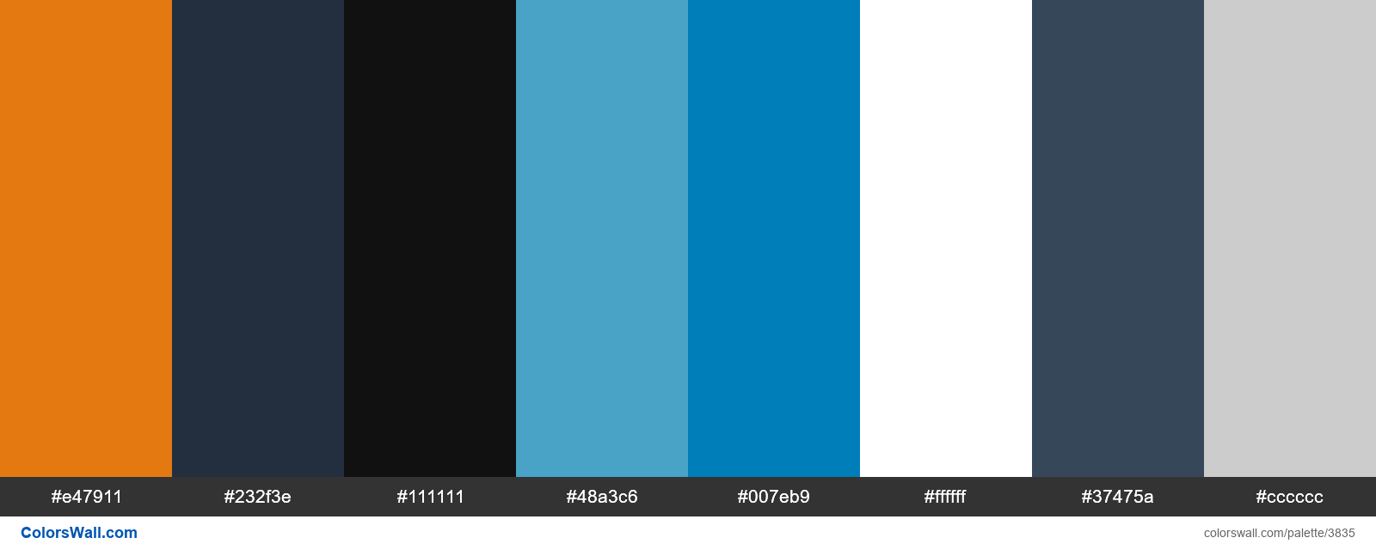
### SUMMARY

Flow breakdown:
1. Flowchart
2. Individual prototype video
3. Annotations

Questions for next meeting
Do we need to design frames showing hard, soft, no filter for tv?

